Probe Methods
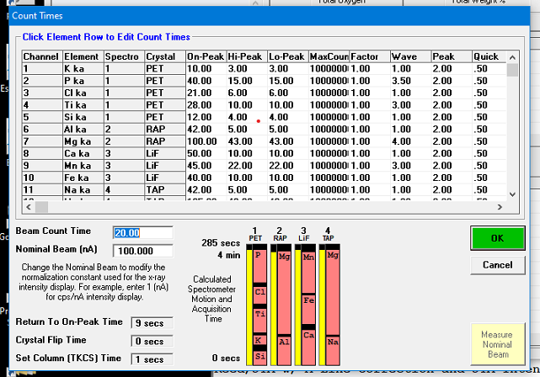
January 2011 |  |  | CU routine tephra glass version 1.0, 15 nA |  |  |  |  |  |  |  |  | Full method description file finished
INTAV session
Last (Current) On and Off Peak Count Times:
ELEM: | K ka | P ka | Cl ka | Ti ka | Si ka | Al ka | Mg ka | Ca ka | Mn ka | Fe ka | Na ka | Mg ka
BGD: | OFF | OFF | OFF | OFF | OFF | OFF | OFF | OFF | OFF | OFF | OFF | OFF
BGDS: | LIN | LIN | LIN | LIN | HIGH | HIGH | LIN | LIN | LIN | LIN | LIN | LIN
SPEC: | 1 | 1 | 1 | 1 | 1 | 2 | 2 | 3 | 3 | 3 | 4 | 4
CRYST: | PET | PET | PET | PET | PET | RAP | RAP | LiF | LiF | LiF | TAP | TAP
ORDER: | 2 | 5 | 4 | 3 | 1 | 1 | 2 | 1 | 3 | 2 | 1 | 2
ONTIM: | 10 | 40 | 21 | 28 | 12 | 42 | 100 | 50 | 45 | 40 | 42 | 0
HITIM: | 3 | 15 | 6 | 10 | 4 | 5 | 43 | 10 | 22 | 10 | 5 | 0
LOTIM: | 3 | 15 | 6 | 10 | 4 | 5 | 43 | 10 | 22 | 10 | 5 | 0

7 TDI intervals | 15 kV | 15 nA

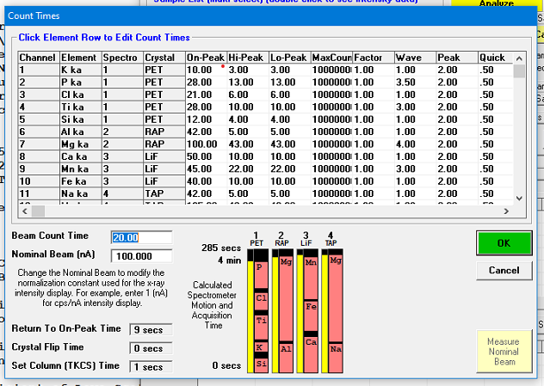
October 2011 |  |  | CU routine tephra glass version 1.0, 15 nA |  |  |  |  |  |  |  |  | Full method description file finished
Initial routine tephra |  |  |  |  |  |  |  |  |  |  |  | Run 2011-10,11 (Oct5-Nov16) Volcanic Glass.MDB

ELEM: | K ka | P ka | Cl ka | Ti ka | Si ka | Al ka | Mg ka | Ca ka | Mn ka | Fe ka | Na ka | Mg ka
BGD: | OFF | OFF | OFF | OFF | OFF | OFF | OFF | OFF | OFF | OFF | OFF | OFF
BGDS: | LIN | LIN | LIN | LIN | HIGH | HIGH | LIN | LIN | LIN | LIN | LIN | LIN
SPEC: | 1 | 1 | 1 | 1 | 1 | 2 | 2 | 3 | 3 | 3 | 4 | 4
CRYST: | PET | PET | PET | PET | PET | RAP | RAP | LiF | LiF | LiF | TAP | TAP
ORDER: | 2 | 5 | 4 | 3 | 1 | 1 | 2 | 1 | 3 | 2 | 1 | 2
ONTIM: | 10 | 28 | 21 | 28 | 12 | 42 | 100 | 50 | 45 | 40 | 42 | 0
HITIM: | 3 | 13 | 6 | 10 | 4 | 5 | 43 | 10 | 22 | 10 | 5 | 0
LOTIM: | 3 | 13 | 6 | 10 | 4 | 5 | 43 | 10 | 22 | 10 | 5 | 0
STDS: | 4 | 19 | 16 | 28 | 6 | 6 | 28 | 28 | 14 | 28 | 6 | 28

7 TDI intervals | 15 kV | 15 nA |  | Same as above, but shorter count time for P

January 2012 |  |  | CU routine tephra glass version 1.0, 6 nA |  |  |  |  |  |  |  |  | Full method description file finished | Detection limits for 6 nA from this one
Routine tephra - MSH samples |  |  |  |  |  |  |  |  |  |  |  | Glass 2012-01-15 MSH.MDB

ELEM: | K ka | P ka | Cl ka | Ti ka | Si ka | Al ka | Mg ka | Ca ka | Mn ka | Fe ka | Na ka | Mg ka
BGD: | OFF | OFF | OFF | OFF | OFF | OFF | OFF | OFF | OFF | OFF | OFF | OFF
BGDS: | LIN | LIN | LIN | LIN | HIGH | HIGH | LIN | LIN | LIN | LIN | LIN | LIN
SPEC: | 1 | 1 | 1 | 1 | 1 | 2 | 2 | 3 | 3 | 3 | 4 | 4
CRYST: | PET | PET | PET | PET | PET | RAP | RAP | LiF | LiF | LiF | TAP | TAP
ORDER: | 2 | 5 | 4 | 3 | 1 | 1 | 2 | 1 | 3 | 2 | 1 | 2
ONTIM: | 10 | 28 | 21 | 28 | 12 | 42 | 100 | 50 | 45 | 40 | 42 | 0
HITIM: | 3 | 13 | 6 | 10 | 4 | 5 | 43 | 10 | 22 | 10 | 5 | 0
LOTIM: | 3 | 13 | 6 | 10 | 4 | 5 | 43 | 10 | 22 | 10 | 5 | 0

7 TDI intervals | 15 kV | 6 nA |  | Same as above, but lower beam current

April 2012 |  |  | CU routine tephra glass version 1.0, 15 nA |  |  |  |  |  |  |  |  | Full method description file finished | Detection limits for 15 nA from this one
Routine tephra - Tepper |  |  |  |  |  |  |  |  |  |  |  | Glass 2012-04-04.MDB

ELEM: | K ka | P ka | Cl ka | Ti ka | Si ka | Al ka | Mg ka | Ca ka | Mn ka | Fe ka | Na ka | Mg ka
BGD: | OFF | OFF | OFF | OFF | OFF | OFF | OFF | OFF | OFF | OFF | OFF | OFF
BGDS: | LIN | LIN | LIN | LIN | HIGH | HIGH | LIN | LIN | LIN | LIN | LIN | LIN
SPEC: | 1 | 1 | 1 | 1 | 1 | 2 | 2 | 3 | 3 | 3 | 4 | 4
CRYST: | PET | PET | PET | PET | PET | RAP | RAP | LiF | LiF | LiF | TAP | TAP
ORDER: | 2 | 5 | 4 | 3 | 1 | 1 | 2 | 1 | 3 | 2 | 1 | 2
ONTIM: | 10 | 28 | 21 | 28 | 12 | 30 | 110 | 50 | 45 | 40 | 30 | 0
HITIM: | 3 | 13 | 6 | 10 | 4 | 5 | 43 | 10 | 22 | 10 | 5 | 0
LOTIM: | 3 | 13 | 6 | 10 | 4 | 5 | 43 | 10 | 22 | 10 | 5 | 0

6 TDI intervals | 15 kV | 15 nA |  | Same as above, but changed Al, Mg, and Na count times and TDI from 7 to 6

April 2012 |  |  | CU routine tephra glass version 1.0, 30 nA |  |  |  |  |  |  |  |  | Full method description file finished | Detection limits for 30 nA from this one
Glass block

ELEM: | K ka | P ka | Cl ka | Ti ka | Si ka | Al ka | Mg ka | Ca ka | Mn ka | Fe ka | Na ka | Mg ka
BGD: | OFF | OFF | OFF | OFF | OFF | OFF | OFF | OFF | OFF | OFF | OFF | OFF
BGDS: | LIN | LIN | LIN | LIN | HIGH | HIGH | LIN | LIN | LIN | LIN | LIN | LIN
SPEC: | 1 | 1 | 1 | 1 | 1 | 2 | 2 | 3 | 3 | 3 | 4 | 4
CRYST: | PET | PET | PET | PET | PET | RAP | RAP | LiF | LiF | LiF | TAP | TAP
ORDER: | 2 | 5 | 4 | 3 | 1 | 1 | 2 | 1 | 3 | 2 | 1 | 2
ONTIM: | 10 | 28 | 21 | 28 | 12 | 30 | 110 | 50 | 45 | 40 | 30
HITIM: | 3 | 13 | 6 | 10 | 4 | 5 | 43 | 10 | 22 | 10 | 5
LOTIM: | 3 | 13 | 6 | 10 | 4 | 5 | 43 | 10 | 22 | 10 | 5

6 TDI intervals | 15 kV | 30 nA |  | Same as above, but 30 nA

 |  |  | EDS installed
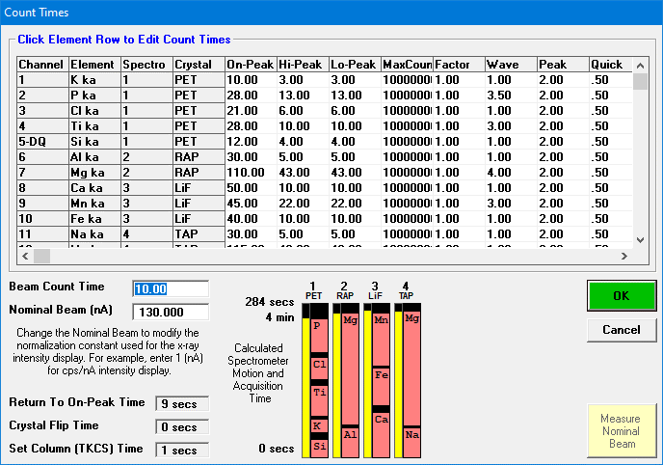

June 2012 |  |  | CU routine tephra glass version 2.0 |  |  |  |  |  |  |  |  | Full method description file finished
tephra glass with EDS |  |  |  |  |  |  |  |  |  |  |  | Tephra glass with EDS - testing.MDB | Detection limits from this file
ELEM: | K ka | P ka | Cl ka | Ti ka | Si ka | Al ka | Mg ka | Ca ka | Mn ka | Fe ka | Na ka | Mg ka
BGD: | OFF | OFF | OFF | OFF | OFF | OFF | OFF | OFF | OFF | OFF | OFF | OFF
BGDS: | LIN | LIN | LIN | LIN | HIGH | HIGH | LIN | LIN | LIN | LIN | LIN | LIN
SPEC: | 1 | 1 | 1 | 1 | 1 | 2 | 2 | 3 | 3 | 3 | 4 | 4
CRYST: | PET | PET | PET | PET | PET | RAP | RAP | LiF | LiF | LiF | TAP | TAP
ORDER: | 2 | 5 | 4 | 3 | 1 | 1 | 2 | 1 | 3 | 2 | 1 | 2
ONTIM: | 10 | 28 | 21 | 28 | 12 | 30 | 110 | 50 | 45 | 40 | 30
HITIM: | 3 | 13 | 6 | 10 | 4 | 5 | 43 | 10 | 22 | 10 | 5
LOTIM: | 3 | 13 | 6 | 10 | 4 | 5 | 43 | 10 | 22 | 10 | 5

 | 15 kV | 10 nA |  | Si and Al by EDS begins |  |  | EDS 130 kcps, 2 cm distance (in log book for June 19)

October 2012 |  |  | CU routine tephra glass version 3.1 |  |  |  |  |  |  |  |  | Full method description file finished
 |  |  |  |  |  |  |  |  |  |  |  | Run 2012-10 (Oct) 4 - glass with EDS, MAN - Copy for EDS | Detection limits from this file
ELEM: | K ka | P ka | Cl ka | Ti ka | Si ka | Al ka | Mg ka | Ca ka | Mn ka | Fe ka | Na ka | Mg ka
BGD: | MAN | OFF | MAN | OFF | MAN | MAN | OFF | MAN | OFF | MAN | MAN | OFF
BGDS: | MAN | LIN | MAN | LIN | MAN | MAN | LIN | MAN | LIN | MAN | MAN | LIN
SPEC: | 1 | 1 | 1 | 1 | 1 | 2 | 2 | 3 | 3 | 3 | 4 | 4
CRYST: | PET | PET | PET | PET | PET | RAP | RAP | LiF | LiF | LiF | TAP | TAP
ORDER: | 2 | 5 | 4 | 3 | 1 | 1 | 2 | 1 | 3 | 2 | 1
ONTIM: | 10 | 18 | 15 | 24 | 12 | 30 | 84 | 50 | 38 | 40 | 30
HITIM: | ---- | 9 | ---- | 10 | ---- | ---- | 31 | ---- | 18 | ---- | ----
LOTIM: | ---- | 9 | ---- | 10 | ---- | ---- | 31 | ---- | 18 | ---- | ----

 | 14 kV | 10 nA

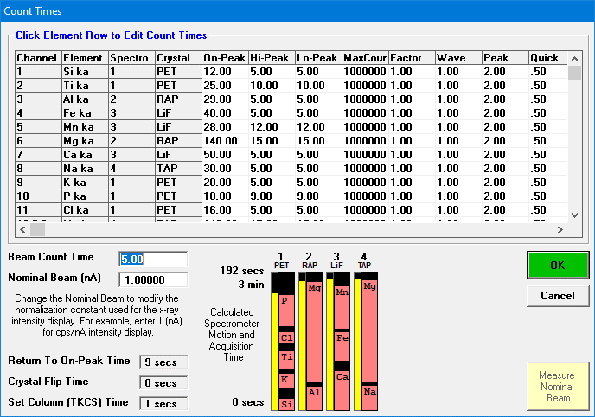

October 2012 |  |  | CU routine tephra glass version 3.2 |  |  |  |  |  |  |  |  | Full method description file finished
 |  |  |  |  |  |  |  |  |  |  |  | Copy of Run 2012-10 (Oct) 29 - tephra5 - new standards for WDS.MDB | Detection limits from this file
ELEM: | Si ka | Ti ka | Al ka | Fe ka | Mn ka | Mg ka | Ca ka | Na ka | K ka | P ka | Cl ka | Mg ka
BGD: | MAN | MAN | MAN | MAN | OFF | MAN | MAN | MAN | MAN | OFF | MAN | MAN
BGDS: | MAN | MAN | MAN | MAN | LIN | MAN | MAN | MAN | MAN | LIN | MAN | MAN
SPEC: | 1 | 1 | 2 | 3 | 3 | 2 | 3 | 4 | 1 | 1 | 1 | 4
CRYST: | PET | PET | RAP | LiF | LiF | RAP | LiF | TAP | PET | PET | PET | TAP
ORDER: | 1 | 3 | 1 | 2 | 3 | 2 | 1 | 1 | 2 | 5 | 4
ONTIM: | 12 | 25 | 29 | 40 | 28 | 140 | 50 | 30 | 20 | 18 | 16
HITIM: | ---- | ---- | ---- | ---- | 12 | ---- | ---- | ---- | ---- | 9 | ----
LOTIM: | ---- | ---- | ---- | ---- | 12 | ---- | ---- | ---- | ---- | 9 | ----

 | 14 kV | 10 nA

November 2012 |  |  | CU tephra glass version 3.3, 40 |  |  |  |  |  |  |  |  | Full method description file finished
Gprobe |  |  |  |  |  |  |  |  |  |  |  | Run 2012-11 (Nov) 13 - G-probe glass.MDB | Detection limits for 40 nA from this one
ELEM: | Si ka | Ti ka | Al ka | Fe ka | Mn ka | Mg ka | Ca ka | Na ka | K ka | P ka | Cl ka | Mg ka
BGD: | MAN | MAN | MAN | MAN | OFF | MAN | MAN | MAN | MAN | MAN | MAN | MAN
BGDS: | MAN | MAN | MAN | MAN | LIN | MAN | MAN | MAN | MAN | MAN | MAN | MAN
SPEC: | 2 | 1 | 2 | 3 | 3 | 2 | 3 | 4 | 1 | 1 | 1 | 4
CRYST: | RAP | PET | RAP | LiF | LiF | RAP | LiF | TAP | PET | PET | PET | TAP
ORDER: | 1 | 2 | 2 | 2 | 3 | 3 | 1 | 1 | 1 | 4 | 3 | 2
ONTIM: | 15 | 40 | 29 | 40 | 28 | 114 | 50 | 30 | 30 | 40 | 25 | 140
HITIM: | ---- | ---- | ---- | ---- | 12 | ---- | ---- | ---- | ---- | ---- | ---- | ----

LOTIM: | ---- | ---- | ---- | ---- | 12 | ---- | ---- | ---- | ---- | ---- | ---- | ----
STDS: | 17 | 22 | 52 | 22 | 51 | 22 | 22 | 52 | 18 | 23 | 52 | 22

6 TDI intervals | 15 kV | 40 nA |  |  |  | EDS 9 cm distance (in log book)

December 2012 |  |  | CU routine tephra glass version 3.3 |  |  |  |  |  |  |  |  | Full method description file finished
Alaska |  |  |  |  |  |  |  |  |  |  |  | Run 2012-12 (Dec) 5 - Alaska glass (2).MDB | Detection limits from this file
ELEM: | Si ka | Ti ka | Al ka | Fe ka | Mn ka | Mg ka | Ca ka | Na ka | K ka | P ka | Cl ka | Mg ka
BGD: | MAN | MAN | MAN | MAN | OFF | MAN | MAN | MAN | MAN | MAN | MAN | MAN
BGDS: | MAN | MAN | MAN | MAN | LIN | MAN | MAN | MAN | MAN | MAN | MAN | MAN
SPEC: | 2 | 1 | 2 | 3 | 3 | 2 | 3 | 4 | 1 | 1 | 1 | 4
CRYST: | RAP | PET | RAP | LiF | LiF | RAP | LiF | TAP | PET | PET | PET | TAP
ORDER: | 1 | 2 | 2 | 2 | 3 | 3 | 1 | 1 | 1 | 4 | 3 | 2
ONTIM: | 15 | 40 | 29 | 40 | 28 | 114 | 50 | 30 | 30 | 40 | 25 | 0
HITIM: | ---- | ---- | ---- | ---- | 12 | ---- | ---- | ---- | ---- | ---- | ---- | ----
LOTIM: | ---- | ---- | ---- | ---- | 12 | ---- | ---- | ---- | ---- | ---- | ---- | ----
STDS: | 18 | 22 | 9 | 22 | 51 | 22 | 22 | 52 | 18 | 23 | 52 | 22

 | 14 kV | 10 nA


 |  |  |  |  |  |  |  |  |  |  |  | Checked
January 2013 |  |  | CU routine tephra glass version 3.4 |  |  |  |  |  |  |  |  | Full method description file finished
Carp - 16th+ |  |  |  |  |  |  |  |  |  |  |  | Run 2013-01 (Jan) 16,21 - Carp Lake MAN for Mn.MDB | Detection limits from this file
ELEM: | Si ka | Ti ka | Al ka | Fe ka | Mn ka | Mg ka | Ca ka | Na ka | K ka | P ka | Cl ka | Mg ka
BGD: | MAN | MAN | MAN | MAN | MAN | MAN | MAN | MAN | MAN | MAN | MAN | MAN
BGDS: | MAN | MAN | MAN | MAN | MAN | MAN | MAN | MAN | MAN | MAN | MAN | MAN
SPEC: | 1 | 1 | 2 | 3 | 3 | 2 | 3 | 4 | 1 | 1 | 1 | 4
CRYST: | PET | PET | RAP | LiF | LiF | RAP | LiF | TAP | PET | PET | PET | TAP
ORDER: | 1 | 3 | 1 | 2 | 3 | 2 | 1 | 1 | 2 | 5 | 4 | 2

ONTIM: | 15 | 28 | 29 | 55 | 38 | 140 | 55 | 30 | 24 | 28 | 22 | 0

 | 14 kV | 10 nA |  | All backgrounds MAN

May 2013 |  |  | CU routine tephra glass version 3.4, 30 nA |  |  |  |  |  |  |  |  | Full method description file finished
G-probe |  |  |  |  |  |  |  |  |  |  |  | Run 2013-11 G-probe glass.MDB | Detection limits from this file
ELEM: | Si ka | Ti ka | Al ka | Fe ka | Mn ka | Mg ka | Ca ka | Na ka | K ka | P ka | Cl ka | Mg ka
BGD: | MAN | MAN | MAN | MAN | MAN | MAN | MAN | MAN | MAN | MAN | MAN | MAN
BGDS: | MAN | MAN | MAN | MAN | MAN | MAN | MAN | MAN | MAN | MAN | MAN | MAN
SPEC: | 1 | 1 | 2 | 3 | 3 | 2 | 3 | 4 | 1 | 1 | 1 | 4
CRYST: | PET | PET | RAP | LiF | LiF | RAP | LiF | TAP | PET | PET | PET | TAP
ORDER: | 1 | 3 | 1 | 2 | 3 | 2 | 1 | 1 | 2 | 5 | 4
ONTIM: | 15 | 28 | 29 | 55 | 38 | 140 | 55 | 30 | 24 | 28 | 22


 | 14 kV | 30 nA

 |  |  |  |  |  |  |  |  |  |  |  | Checked
July 2013 | CU routine tephra glass version 3.4b (Ca on Sp1 instead of 3 temporarily) |  |  |  |  |  |  |  |  |  |  | Full method description file finished
 |  |  |  |  |  |  |  |  |  |  |  | Run 2013-07 (July) 15-19 Sum Lk (2).MDB | Detection limits from this file
ELEM: | Si ka | Ti ka | Al ka | Fe ka | Mn ka | Mg ka | Ca ka | Na ka | K ka | P ka | Cl ka | Mg ka
BGD: | MAN | MAN | MAN | MAN | MAN | MAN | MAN | MAN | MAN | MAN | MAN | MAN
BGDS: | MAN | MAN | MAN | MAN | MAN | MAN | MAN | MAN | MAN | MAN | MAN | MAN
SPEC: | 1 | 1 | 2 | 3 | 3 | 2 | 1 | 4 | 1 | 1 | 1 | 4
CRYST: | PET | PET | RAP | LiF | LiF | RAP | PET | TAP | PET | PET | PET | TAP
ORDER: | 1 | 3 | 1 | 1 | 2 | 2 | 4 | 1 | 2 | 6 | 5 | 2
ONTIM: | 15 | 28 | 29 | 105 | 100 | 174 | 20 | 30 | 24 | 28 | 22 | 0

 | 14 kV | 10 nA

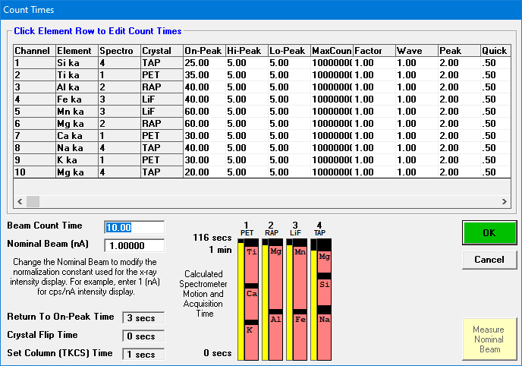

May 2013 |  |  | General Silicates version 1.0
Silicates (Zieg first run)
ELEM: | Si ka | Ti ka | Al ka | Fe ka | Mn ka | Mg ka | Ca ka | Na ka | K ka | Mg ka
BGD: | MAN | MAN | MAN | MAN | MAN | MAN | MAN | MAN | MAN | MAN
BGDS: | MAN | MAN | MAN | MAN | MAN | MAN | MAN | MAN | MAN | MAN

SPEC: | 4 | 1 | 2 | 3 | 3 | 2 | 1 | 4 | 1 | 4
CRYST: | TAP | PET | RAP | LiF | LiF | RAP | PET | TAP | PET | TAP
ORDER: | 2 | 3 | 1 | 1 | 2 | 2 | 2 | 1 | 1 | 3
ONTIM: | 25 | 35 | 40 | 40 | 60 | 60 | 30 | 40 | 30 | 0
same file, with Ni
ELEM: | Si ka | Ti ka | Al ka | Fe ka | Mn ka | Mg ka | Ca ka | Na ka | K ka | Mg ka | Ni ka
BGD: | MAN | MAN | MAN | MAN | MAN | MAN | MAN | MAN | MAN | MAN | OFF
BGDS: | MAN | MAN | MAN | MAN | MAN | MAN | MAN | MAN | MAN | MAN | LIN
SPEC: | 4 | 1 | 2 | 3 | 3 | 2 | 1 | 4 | 1 | 4 | 3
CRYST: | TAP | PET | RAP | LiF | LiF | RAP | PET | TAP | PET | TAP | LiF
ORDER: | 2 | 3 | 1 | 1 | 2 | 2 | 2 | 1 | 1 | 3 | 3
ONTIM: | 25 | 35 | 40 | 15 | 25 | 60 | 30 | 25 | 30 | 0 | 28
HITIM: | ---- | ---- | ---- | ---- | ---- | ---- | ---- | ---- | ---- | ---- | 12
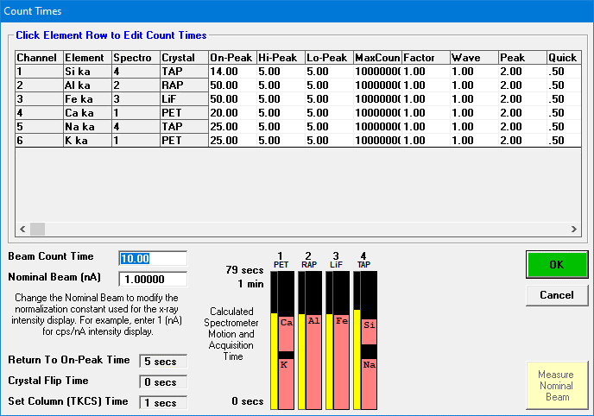
LOTIM: | ---- | ---- | ---- | ---- | ---- | ---- | ---- | ---- | ---- | ---- | 12
simpler for feldspars
ELEM: | Si ka | Al ka | Fe ka | Ca ka | Na ka | K ka
BGD: | MAN | MAN | MAN | MAN | MAN | MAN
BGDS: | MAN | MAN | MAN | MAN | MAN | MAN
SPEC: | 4 | 2 | 3 | 1 | 4 | 1
CRYST: | TAP | RAP | LiF | PET | TAP | PET
ORDER: | 2 | 1 | 1 | 2 | 1 | 1
ONTIM: | 14 | 50 | 50 | 20 | 25 | 25

 | 20 kv | 30 nA

 |  |  | Spectrometer 4 changes to PET for routine use

May 2014 |  |  | Experimental, skip
2014-05 (May 27-29) Rhyolite glass traces |  |  |  |  |  |  |  |  |  |  |  | 2014-05 (May) Rhyolite traces test Data.MDB

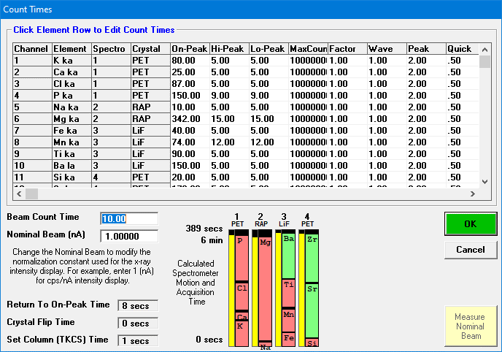

July 2014 | CU high-precision rhyolite glass with trace elements version 1.0 |  |  |  |  |  |  |  |  |  |  | Full method description file finished
2014-07 (July 4) Rhyolite glass traces, GP-13 |  |  |  |  |  |  |  |  |  |  |  | 2014-07 (July 4-8) Rhy traces, GP-13.MDB | Detection limits from this file
ELEM: | K ka | Ca ka | Cl ka | P ka | Na ka | Mg ka | Fe ka | Mn ka | Ti ka | Ba la | Si ka | Sr la | Zr la
BGD: | MAN | MAN | MAN | MAN | MAN | MAN | MAN | MAN | MAN | MAN | MAN | MAN | MAN
BGDS: | MAN | MAN | MAN | MAN | MAN | MAN | MAN | MAN | MAN | MAN | MAN | MAN | MAN
SPEC: | 1 | 1 | 1 | 1 | 2 | 2 | 3 | 3 | 3 | 3 | 4 | 4 | 4
CRYST: | PET | PET | PET | PET | RAP | RAP | LiF | LiF | LiF | LiF | PET | PET | PET
ORDER: | 1 | 2 | 3 | 4 | 1 | 2 | 1 | 2 | 3 | 4 | 1 | 2 | 3
ONTIM: | 80 | 25 | 87 | 150 | 10 | 342 | 40 | 74 | 90 | 150 | 20 | 178 | 160

 | 20 kV | 40 nA |  | EDS 15 s
 |  |  |  |  |  | EDS 8 cm distance (in log book)

June 2014 |  |  | CU routine tephra glass version 4.0 |  |  |  |  |  |  |  |  | Full method description file finished
2014-06 (June 10-13) Tephra with Sp4 PET |  |  |  |  |  |  |  |  |  |  |  | 2014-06 (June 10-11) Tephra Sp4 PET 2.MDB | Detection limits from this file
ELEM: | Ti ka | Fe ka | Mn ka | Mg ka | Ca ka | Na ka | K ka | P ka | Cl ka
BGD: | MAN | MAN | MAN | MAN | MAN | MAN | MAN | MAN | MAN
BGDS: | MAN | MAN | MAN | MAN | MAN | MAN | MAN | MAN | MAN
SPEC: | 1 | 3 | 3 | 2 | 1 | 2 | 1 | 4 | 4
CRYST: | PET | LiF | LiF | RAP | PET | RAP | PET | PET | PET
ORDER: | 3 | 1 | 2 | 2 | 2 | 1 | 1 | 1 | 2
ONTIM: | 62 | 100 | 70 | 140 | 50 | 30 | 50 | 100 | 65

 | 14 kV | 10 nA |  | All backgrounds MAN |  |  | Si and Al by EDS only |  |  | Spectro 4 now PET, Mg only on RAP


November 2014 |  |  | CU routine tephra glass version 4.0 |  |  |  |  |  |  |  |  | Full method description file finished
2014-11 (Nov 9-13) Tephra |  |  |  |  |  |  |  |  |  |  |  | 2014-11 (Nov 9-13) Tephra.MDB | Previously processed detection limits in this folder
ELEM: | Ti ka | Fe ka | Mn ka | Mg ka | Ca ka | Na ka | K ka | P ka | Cl ka
BGD: | MAN | MAN | MAN | MAN | MAN | MAN | MAN | MAN | MAN
BGDS: | MAN | MAN | MAN | MAN | MAN | MAN | MAN | MAN | MAN
SPEC: | 1 | 3 | 3 | 2 | 1 | 2 | 1 | 4 | 4
CRYST: | PET | LiF | LiF | RAP | PET | RAP | PET | PET | PET
ORDER: | 3 | 1 | 2 | 2 | 2 | 1 | 1 | 1 | 2
ONTIM: | 62 | 100 | 70 | 140 | 50 | 30 | 50 | 100 | 65

 | 14 kV | 10 nA |  | All backgrounds MAN |  |  | EDS 8 s

June 2016 |  |  | CU routine tephra glass version 4.0 |  |  |  |  |  |  |  |  | Full method description file finished
2016-06 (June 27-July 4) Tephra
ELEM: | Ti ka | Fe ka | Mn ka | Mg ka | Ca ka | Na ka | K ka | P ka | Cl ka
BGD: | MAN | MAN | MAN | MAN | MAN | MAN | MAN | MAN | MAN
BGDS: | MAN | MAN | MAN | MAN | MAN | MAN | MAN | MAN | MAN
SPEC: | 1 | 3 | 3 | 2 | 1 | 2 | 1 | 4 | 4
CRYST: | PET | LiF | LiF | RAP | PET | RAP | PET | PET | PET |  | Stable method used for ~2 years
ORDER: | 3 | 1 | 2 | 2 | 2 | 1 | 1 | 1 | 2
ONTIM: | 62 | 100 | 70 | 140 | 50 | 30 | 50 | 100 | 65

 | 14 kV | 10 nA |  | All backgrounds MAN |  |  | EDS 8 s

2015-03 (Mar27-28) Oxides-Sulfides at 14kV

October 2015 | CU high-precision rhyolite glass with trace elements version 1.0 |  |  |  |  |  |  |  |  |  |  | Full method description file finished |  | Same as July 2014 traces run
2015-10 (Oct 12-16) G-Probe (rhy traces) - Good Data |  |  |  |  |  |  |  |  |  |  |  | 2015-10 (Oct16-17) Rhy traces, GP-15.MDB
ELEM: | K ka | Ca ka | Cl ka | P ka | Na ka | Mg ka | Fe ka | Mn ka | Ti ka | Ba la | Si ka | Sr la | Zr la
BGD: | MAN | MAN | MAN | MAN | MAN | MAN | MAN | MAN | MAN | MAN | MAN | MAN | MAN
BGDS: | MAN | MAN | MAN | MAN | MAN | MAN | MAN | MAN | MAN | MAN | MAN | MAN | MAN
SPEC: | 1 | 1 | 1 | 1 | 2 | 2 | 3 | 3 | 3 | 3 | 4 | 4 | 4
CRYST: | PET | PET | PET | PET | RAP | RAP | LiF | LiF | LiF | LiF | PET | PET | PET
ORDER: | 1 | 2 | 3 | 4 | 1 | 2 | 1 | 2 | 3 | 4 | 1 | 2 | 3
ONTIM: | 80 | 25 | 87 | 150 | 10 | 342 | 40 | 74 | 90 | 150 | 20 | 178 | 160
 | 20 kV | 40 nA |  | EDS 15 s

Change to 6 WDS Spectrometers

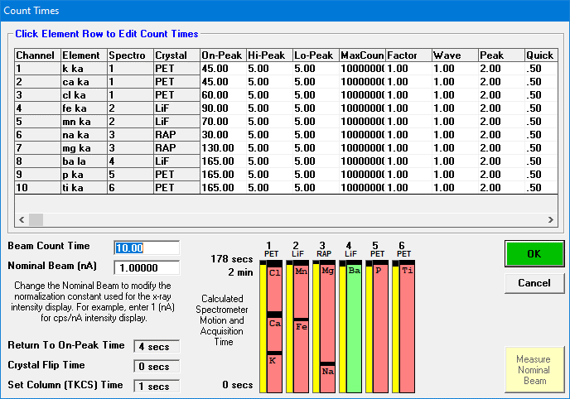

December 2016 |  | CU routine tephra glass version 5.0 |  |  |  |  |  |  |  |  |  | Full method description file finished
2016-12 (Dec 16-20) GP17 and New 6WDS Glass Setup |  |  |  |  |  |  |  |  |  |  |  | New 6WDS Glass Setup and GP17 (2 EDS at 2cm).MDB
ELEM: | k ka | ca ka | cl ka | fe ka | mn ka | na ka | mg ka | ba la | p ka | ti ka
BGD: | MAN | MAN | MAN | MAN | MAN | MAN | MAN | MAN | MAN | MAN
BGDS: | MAN | MAN | MAN | MAN | MAN | MAN | MAN | MAN | MAN | MAN
SPEC: | 1 | 1 | 1 | 2 | 2 | 3 | 3 | 4 | 5 | 6
CRYST: | PET | PET | PET | LiF | LiF | RAP | RAP | LiF | PET | PET
ORDER: | 1 | 2 | 3 | 1 | 2 | 1 | 2 | 1 | 1 | 1
ONTIM: | 45 | 45 | 60 | 90 | 70 | 30 | 130 | 165 | 165 | 165
STDS: | 99 | 114 | 172 | 114 | 145 | 114 | 114 | 135 | 134 | 114

 | 20 kV | 40 nA |  | EDS 15 s

February 2017 |  | CU routine tephra glass version 5.0
2017-02 (Feb 27-Mar 1) Tephra - Cascades (Sp5 increased intensity) |  |  |  |  |  |  |  |  |  |  |  | 2017-02 (Feb 27-30) Tephra - Cascades.MDB

STDS: | 99 | 114 | 172 | 114 | 145 | 114 | 114 | 89 | 134 | 114

January 2018 |  | CU routine tephra glass version 5.0
 |  |  |  |  |  |  |  |  |  |  |  | 2018-01 (Jan 16-19) tephra.MDB | Detection limits from this file

 |  |  |  |  |  |  |  |  |  |  |  | Full method description file finished

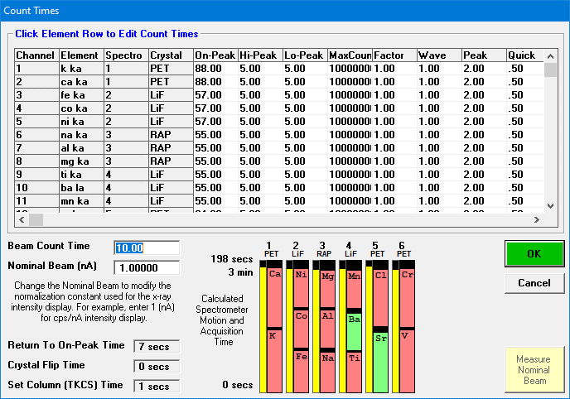

January 2017

2017-01 (Jan 4-6) General silicates majors & traces initial setup |  |  |  |  |  |  |  |  |  |  |  | 2017-01 (Jan 4-6) General silicates 6WDS.MDB

 | No Data Acquired

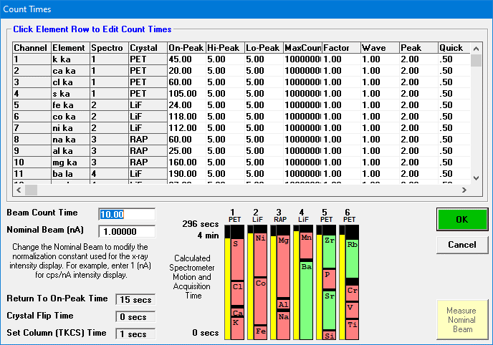
July 2017 | CU high-precision mafic glass with trace elements version 1.1 |  |  |  |  |  |  |  |  |  |  | Full method description file finished
2017-07 (July 4-6) New Glass Traces (with G-Probe)
2017-07 (July 10-14) Zieg thin sections (and G-Probe) |  |  |  |  |  |  |  |  |  |  |  | Zieg TS based off glass traces 2 - Copy for GP with EDS Si.MDB | Detection limits from this file (July 21, including Rb)
ELEM: | k ka | ca ka | cl ka | s ka | fe ka | co ka | ni ka | na ka | al ka | mg ka | ba la | mn ka | si ka | sr la | p ka | zr la | ti ka | v ka | cr ka | rb la
BGD: | MAN | MAN | MAN | MAN | MAN | MAN | MAN | MAN | MAN | MAN | MAN | MAN | MAN | MAN | MAN | MAN | MAN | MAN | MAN | MAN
BGDS: | MAN | MAN | MAN | MAN | MAN | MAN | MAN | MAN | MAN | MAN | MAN | MAN | MAN | MAN | MAN | MAN | MAN | MAN | MAN | MAN
SPEC: | 1 | 1 | 1 | 1 | 2 | 2 | 2 | 3 | 3 | 3 | 4 | 4 | 5 | 5 | 5 | 5 | 6 | 6 | 6 | 6
CRYST: | PET | PET | PET | PET | LiF | LiF | LiF | RAP | RAP | RAP | LiF | LiF | PET | PET | PET | PET | PET | PET | PET | PET
ORDER: | 1 | 2 | 3 | 4 | 1 | 2 | 3 | 1 | 2 | 3 | 1 | 2 | 1 | 2 | 3 | 4 | 1 | 2 | 3 | 4
ONTIM: | 45 | 20 | 60 | 105 | 24 | 118 | 112 | 60 | 25 | 160 | 190 | 67 | 10 | 100 | 50 | 84 | 40 | 40 | 40 | 100

STDS: | 99 | 114 | 172 | 135 | 114 | 149 | 150 | 114 | 113 | 114 | 167 | 146 | 113 | 179 | 134 | 181 | 114 | 209 | 144 | 202

 | 15 kV | 40 nA |  | EDS 24 s |  | Si and Al both EDS and WDS available

 |  |  |  |  |  | WDS Al starts on July 19
 |  |  |  |  |  | Rb starts on July 21

June 2018 | CU high-precision mafic glass with trace elements version 1.2 |  |  |  |  |  |  |  |  |  |  | Full method description file finished
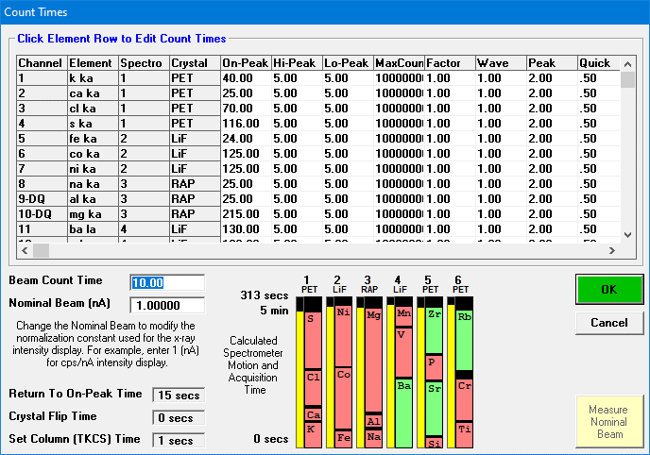
2018-06 (June 4) G-Probe, updated traces routine |  |  |  |  |  |  |  |  |  |  |  | Glass Traces updated (V on LIF), GP 20, 21.MDB | Detection limits from this file
ELEM: | k ka | ca ka | cl ka | s ka | fe ka | co ka | ni ka | na ka | al ka | mg ka | ba la | v ka | mn ka | si ka | sr la | p ka | zr la | ti ka | cr ka | rb la
BGD: | MAN | MAN | MAN | MAN | MAN | MAN | MAN | MAN | MAN | MAN | MAN | MAN | MAN | MAN | MAN | MAN | MAN | MAN | MAN | MAN
BGDS: | MAN | MAN | MAN | MAN | MAN | MAN | MAN | MAN | MAN | MAN | MAN | MAN | MAN | MAN | MAN | MAN | MAN | MAN | MAN | MAN
SPEC: | 1 | 1 | 1 | 1 | 2 | 2 | 2 | 3 | 3 | 3 | 4 | 4 | 4 | 5 | 5 | 5 | 5 | 6 | 6 | 6
CRYST: | PET | PET | PET | PET | LiF | LiF | LiF | RAP | RAP | RAP | LiF | LiF | LiF | PET | PET | PET | PET | PET | PET | PET
ORDER: | 1 | 2 | 3 | 4 | 1 | 2 | 3 | 1 | 2 | 3 | 1 | 2 | 3 | 1 | 2 | 3 | 4 | 1 | 2 | 3
ONTIM: | 40 | 25 | 70 | 116 | 24 | 125 | 125 | 25 | 25 | 215 | 130 | 100 | 40 | 10 | 110 | 50 | 95 | 40 | 85 | 123
STDS: | 99 | 114 | 172 | 135 | 114 | 149 | 150 | 114 | 113 | 114 | 167 | 210 | 146 | 123 | 179 | 134 | 181 | 114 | 144 | 202

 | 15 kV | 40 nA |  | EDS 12 s |  | Si and Al both EDS and WDS available

 |  |  |  | Move V from PET to LIF; Adjust count times

January 2019 | CU high-precision mafic glass with trace elements version 1.3 |  |  |  |  |  |  |  |  |  |  | Full method description file finished


2019-01 (Jan 1-5) Silicates with traces |  |  |  |  |  |  |  |  |  |  |  | 2019-01 VT Silicates with traces | Detection limits from this file
ELEM: | k ka | ca ka | cl ka | s ka | fe ka | co ka | ni ka | zn ka | na ka | al ka | mg ka | ba la | v ka | mn ka | si ka | sr la | p ka | zr la | ti ka | cr ka | rb la
BGD: | MAN | MAN | MAN | MAN | MAN | MAN | MAN | MAN | MAN | MAN | MAN | MAN | MAN | MAN | MAN | MAN | MAN | MAN | MAN | MAN | MAN
BGDS: | MAN | MAN | MAN | MAN | MAN | MAN | MAN | MAN | MAN | MAN | MAN | MAN | MAN | MAN | MAN | MAN | MAN | MAN | MAN | MAN | MAN
SPEC: | 1 | 1 | 1 | 1 | 2 | 2 | 2 | 2 | 3 | 3 | 3 | 4 | 4 | 4 | 5 | 5 | 5 | 5 | 6 | 6 | 6
CRYST: | PET | PET | PET | PET | LiF | LiF | LiF | LiF | RAP | RAP | RAP | LiF | LiF | LiF | PET | PET | PET | PET | PET | PET | PET
ORDER: | 1 | 2 | 3 | 4 | 1 | 2 | 3 | 4 | 1 | 2 | 3 | 1 | 2 | 3 | 1 | 2 | 3 | 4 | 1 | 2 | 3
ONTIM: | 40 | 24 | 100 | 120 | 24 | 93 | 90 | 90 | 25 | 25 | 246 | 130 | 115 | 55 | 10 | 114 | 60 | 114 | 40 | 104 | 135

STDS: | 99 | 114 | 172 | 135 | 114 | 149 | 150 | 426 | 114 | 114 | 114 | 167 | 210 | 146 | 114 | 179 | 134 | 181 | 114 | 144 | 202

 | 15 kV | 40 nA |  | EDS 12 s |  | Si and Al both EDS and WDS available

 |  |  |  | Add Zn; Adjust count times

January 2019 | CU high-precision mafic glass with trace elements version 1.3

2019-02 (Jan 24-25) INTAV trace glasses |  |  |  |  |  |  |  |  |  |  |  | 2019-02 (Jan 24-25) INTAV trace glasses.MDB


 | same as above

 |  | Microprobe spectrometers reconfigured to 3 xenon + 3 p-10; Moxtec windows added; slits adjusted

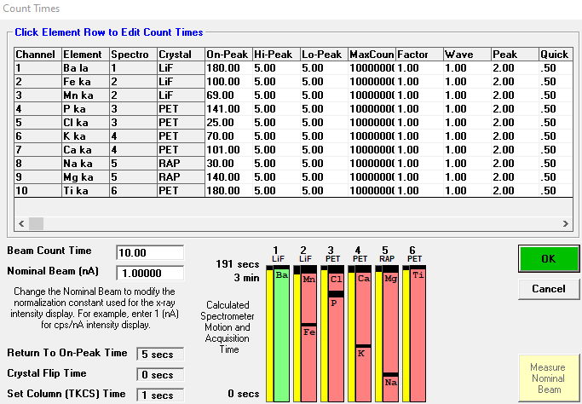

January 2018 |  | CU routine tephra glass version 6.0 |  |  |  |  |  |  |  |  |  | Full method description file finished

2019-10 (Oct 7-23) Routine tephra |  |  |  |  |  |  |  |  |  |  |  | 2019-10 (Oct 7-) Routine tephra.MDB
ELEM: | Ba la | Fe ka | Mn ka | P ka | Cl ka | K ka | Ca ka | Na ka | Mg ka | Ti ka
BGD: | MAN | MAN | MAN | MAN | MAN | MAN | MAN | MAN | MAN | MAN
BGDS: | MAN | MAN | MAN | MAN | MAN | MAN | MAN | MAN | MAN | MAN
SPEC: | 1 | 2 | 2 | 3 | 3 | 4 | 4 | 5 | 5 | 6
CRYST: | LiF | LiF | LiF | PET | PET | PET | PET | RAP | RAP | PET
ORDER: | 1 | 1 | 2 | 1 | 2 | 1 | 2 | 1 | 2 | 1
ONTIM: | 180 | 100 | 69 | 141 | 25 | 70 | 101 | 30 | 140 | 180

 | 14 kV | 10 nA |  | EDS 8 s

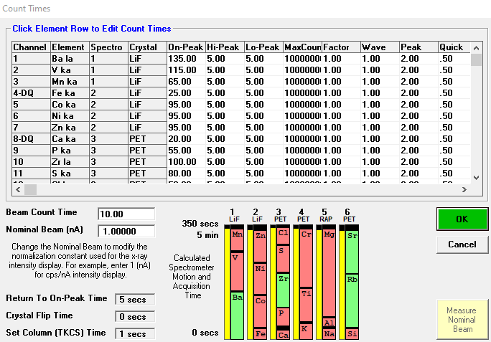

June 2019 | CU high-precision mafic glass with trace elements version 2.0 |  |  |  |  |  |  |  |  |  |  | Full method description file finished

2019-06 (June 3) G-probe 22 - 2019-05 G-probe processed (new template) |  |  |  |  |  |  |  |  |  |  |  | 2019-05 (May 8-16) Zieg WDS with G-Probe added.MDB
ELEM: | Ba la | V ka | Mn ka | Fe ka | Co ka | Ni ka | Zn ka | Ca ka | P ka | Zr la | S ka | Cl ka | K ka | Ti ka | Cr ka | Na ka | Al ka | Mg ka | Si ka | Rb la | Sr la
BGD: | MAN | MAN | MAN | MAN | MAN | MAN | MAN | MAN | MAN | MAN | MAN | MAN | MAN | MAN | MAN | MAN | MAN | MAN | MAN | MAN | MAN
BGDS: | MAN | MAN | MAN | MAN | MAN | MAN | MAN | MAN | MAN | MAN | MAN | MAN | MAN | MAN | MAN | MAN | MAN | MAN | MAN | MAN | MAN
SPEC: | 1 | 1 | 1 | 2 | 2 | 2 | 2 | 3 | 3 | 3 | 3 | 3 | 4 | 4 | 4 | 5 | 5 | 5 | 6 | 6 | 6
CRYST: | LiF | LiF | LiF | LiF | LiF | LiF | LiF | PET | PET | PET | PET | PET | PET | PET | PET | RAP | RAP | RAP | PET | PET | PET
ORDER: | 1 | 2 | 3 | 1 | 2 | 3 | 4 | 1 | 2 | 3 | 4 | 5 | 1 | 2 | 3 | 1 | 2 | 3 | 1 | 2 | 3
ONTIM: | 135 | 115 | 65 | 25 | 95 | 95 | 95 | 20 | 55 | 100 | 80 | 50 | 40 | 100 | 175 | 25 | 25 | 265 | 25 | 160 | 130

 | 15 kV | 40 nA |  | EDS 12 s |  | Si and Al both EDS and WDS available

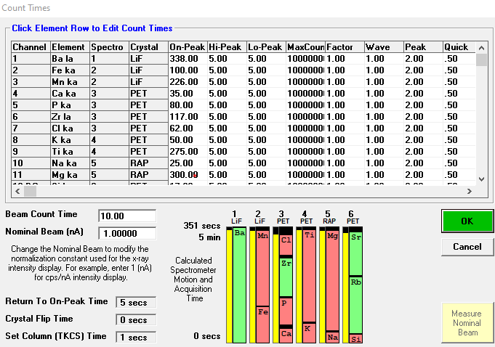
 | Multiple methods in the same file
Fall 2019 | CU high-precision rhyolite glass with trace elements version 2.0
 |  |  |  |  |  |  |  |  |  |  |  |  | 2019-09 (Sept 6) Silicates-Traces new MAN - part 3 (Nov 11, 18)
2019-09 (Sept 6) Silicates-Traces new MAN |  |  |  |  |  |  |  |  |  |  |  | 2019-09-06 Silicates-Traces update MAN calibration.MDB | 2019-09 (Sept 6) Silicates-Traces new MAN - part 1 (Oct17-18, 24-25)
ELEM: | Ba la | Fe ka | Mn ka | Ca ka | P ka | Zr la | Cl ka | K ka | Ti ka | Na ka | Mg ka | Si ka | Rb la | Sr la
BGD: | MAN | MAN | MAN | MAN | MAN | MAN | MAN | MAN | MAN | MAN | MAN | MAN | MAN | MAN
BGDS: | MAN | MAN | MAN | MAN | MAN | MAN | MAN | MAN | MAN | MAN | MAN | MAN | MAN | MAN
SPEC: | 1 | 2 | 2 | 3 | 3 | 3 | 3 | 4 | 4 | 5 | 5 | 6 | 6 | 6
CRYST: | LiF | LiF | LiF | PET | PET | PET | PET | PET | PET | RAP | RAP | PET | PET | PET
ORDER: | 1 | 1 | 2 | 1 | 2 | 3 | 4 | 1 | 2 | 1 | 2 | 1 | 2 | 3
ONTIM: | 338 | 100 | 226 | 35 | 80 | 117 | 62 | 50 | 275 | 25 | 300 | 17 | 170 | 130

 | 15 kV | 40 nA |  | EDS 30 s |  | Si and Al both EDS and WDS available


Fall 2019 | CU high-precision mafic glass with trace elements version 2.0 (with timings adjusted) |  |  |  |  |  |  |  |  |  |  | Full method description file finished
 |  |  |  |  |  |  |  |  |  |  |  |  | Detection limits from this file
2019-09 (Sept 6) Silicates-Traces new MAN |  |  |  |  |  |  |  |  |  |  |  | 2019-09-06 Silicates-Traces update MAN calibration.MDB | 2019-09 (Sept 6) Silicates-Traces new MAN - part 2 (Oct28-29 G-probe)
ELEM: | Ba la | V ka | Mn ka | Fe ka | Co ka | Ni ka | Zn ka | Ca ka | P ka | Zr la | S ka | Cl ka | K ka | Ti ka | Cr ka | Na ka | Al ka | Mg ka | Si ka | Rb la | Sr la
BGD: | MAN | MAN | MAN | MAN | MAN | MAN | MAN | MAN | MAN | MAN | MAN | MAN | MAN | MAN | MAN | MAN | MAN | MAN | MAN | MAN | MAN
BGDS: | MAN | MAN | MAN | MAN | MAN | MAN | MAN | MAN | MAN | MAN | MAN | MAN | MAN | MAN | MAN | MAN | MAN | MAN | MAN | MAN | MAN
SPEC: | 1 | 1 | 1 | 2 | 2 | 2 | 2 | 3 | 3 | 3 | 3 | 3 | 4 | 4 | 4 | 5 | 5 | 5 | 6 | 6 | 6
CRYST: | LiF | LiF | LiF | LiF | LiF | LiF | LiF | PET | PET | PET | PET | PET | PET | PET | PET | RAP | RAP | RAP | PET | PET | PET
ORDER: | 1 | 2 | 3 | 1 | 2 | 3 | 4 | 1 | 2 | 3 | 4 | 5 | 1 | 2 | 3 | 1 | 2 | 3 | 1 | 2 | 3
ONTIM: | 135 | 115 | 139 | 25 | 115 | 115 | 115 | 20 | 67 | 100 | 92 | 65 | 40 | 125 | 224 | 25 | 65 | 293 | 65 | 170 | 154

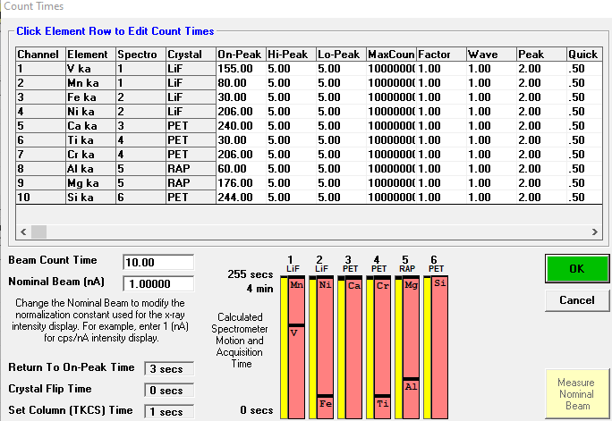
Fall 2019 | CU Fe-Ti oxides 1.0 |  |  |  |  |  |  |  |  |  |  | Full method description file finished
 |  |  |  |  |  |  |  |  |  |  |  |  | 2019-09 (Sept 6) Silicates-Traces new MAN - part 4 OXIDES (Nov 26, Dec 12,13,14)
2019-09 (Sept 6) Silicates-Traces new MAN |  |  |  |  |  |  |  |  |  |  |  | 2019-09-06 Silicates-Traces update MAN calibration.MDB | Detection limits from this file
ELEM: | V ka | Mn ka | Fe ka | Ni ka | Ca ka | Ti ka | Cr ka | Al ka | Mg ka | Si ka
BGD: | MAN | MAN | MAN | MAN | MAN | MAN | MAN | MAN | MAN | MAN
BGDS: | MAN | MAN | MAN | MAN | MAN | MAN | MAN | MAN | MAN | MAN
SPEC: | 1 | 1 | 2 | 2 | 3 | 4 | 4 | 5 | 5 | 6
CRYST: | LiF | LiF | LiF | LiF | PET | PET | PET | RAP | RAP | PET
ORDER: | 1 | 2 | 1 | 2 | 1 | 1 | 2 | 1 | 2 | 1
ONTIM: | 155 | 80 | 30 | 206 | 240 | 30 | 206 | 60 | 176 | 244
STDS: | 210 | 146 | 114 | 150 | 114 | 114 | 144 | 114 | 114 | 114
 |  |  |  | EDS 120 seconds (option for major-minor elements)

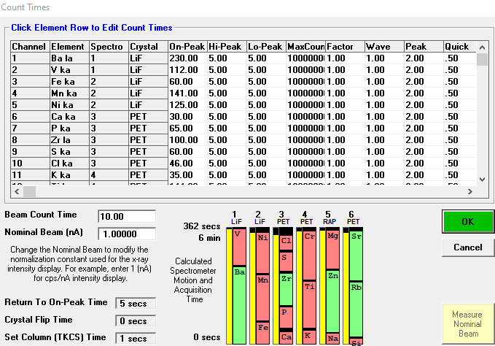
January 2021 | CU high-precision mafic glass with trace elements version 2.2 |  |  |  |  |  |  |  |  |  |  | Full method description file finished
 |  |  |  |  |  |  |  |  |  |  |  |  | Detection limits from this file
2021-02 (Feb 8-10) NEW BASALT TRACES with Zn on RAP |  |  |  |  |  |  |  |  |  |  |  | 2021-02 Basalt Traces - NEW with Zn CLEAN NEW FILE.MDB
ELEM: | Ba la | V ka | Fe ka | Mn ka | Ni ka | Ca ka | P ka | Zr la | S ka | Cl ka | K ka | Ti ka | Cr ka | Na ka | Zn la | Mg ka | Si ka | Rb la | Sr la
BGD: | MAN | MAN | MAN | MAN | MAN | MAN | MAN | MAN | MAN | MAN | MAN | MAN | MAN | MAN | MAN | MAN | MAN | MAN | MAN
BGDS: | MAN | MAN | MAN | MAN | MAN | MAN | MAN | MAN | MAN | MAN | MAN | MAN | MAN | MAN | MAN | MAN | MAN | MAN | MAN
SPEC: | 1 | 1 | 2 | 2 | 2 | 3 | 3 | 3 | 3 | 3 | 4 | 4 | 4 | 5 | 5 | 5 | 6 | 6 | 6
CRYST: | LiF | LiF | LiF | LiF | LiF | PET | PET | PET | PET | PET | PET | PET | PET | RAP | RAP | RAP | PET | PET | PET
ORDER: | 1 | 2 | 1 | 2 | 3 | 1 | 2 | 3 | 4 | 5 | 1 | 2 | 3 | 1 | 2 | 3 | 1 | 2 | 3
ONTIM: | 230 | 112 | 60 | 141 | 125 | 30 | 65 | 100 | 60 | 46 | 35 | 144 | 150 | 25 | 190 | 120 | 10 | 170 | 152

 | 15 kV | 40 nA | EDS 10 seconds

